Sheet1
Area 1
Area 2
Area | Brand
1 | B
1 | Other | Frequencies
1 | A
1 | B |  | Area 1 | Area 2
1 | Other | A | 11 | 19
1 | A | B | 17 | 30
1 | Other | Other | 42 | 41
1 | Other | Total | 70 | 90
1 | Other
1 | Other
1 | B | Percentages
1 | Other
1 | Other |  | Area 1 | Area 2
1 | A | A | 15.7 | 21.1
1 | A | B | 24.3 | 33.3
1 | A | Other | 60.0 | 45.6
1 | B | Total | 100 | 100
1 | A
1 | Other
1 | B
1 | A
1 | B
1 | Other
1 | Other
1 | B
1 | B |  |  |  | Interpretation:
1 | Other |  |  |  | The default for Area 2 showed Percentage up to 50, rather than 70 which made it an unfair comparison, so I changed the axis to be the same.
1 | Other |  |  |  | This provided a more equitable comparison. In both cases, Other remains more popular than brand A and B, and brand B is more popular than A. A remains least popular.
1 | Other |  |  |  | However, in Area 2 the difference between Other and brand B is smaller.
1 | Other |  |  |  | In Area 2, brand A and B are more popular than Area 1, and Other is less popular than Area 1.
1 | Other
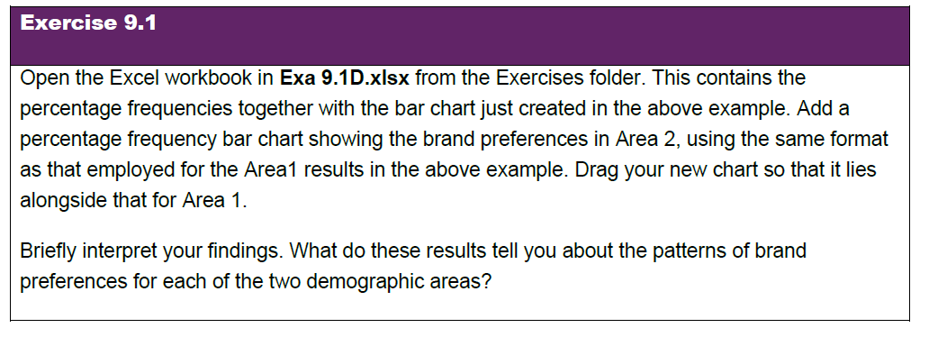
1 | B
1 | B |  |  |  |  | Note, this means Exe 9.1D.xlsx, which is this exercise not Exa which is the example.
1 | Other
1 | Other
1 | B
1 | B
1 | B
1 | Other
1 | Other
1 | B
1 | Other
1 | Other
1 | Other
1 | Other
1 | Other
1 | Other
1 | Other
1 | Other
1 | Other
1 | A
1 | Other
1 | A
1 | Other
1 | Other
1 | Other
1 | A
1 | A
1 | Other
1 | Other
1 | Other
1 | Other
1 | Other
1 | Other
1 | B
1 | Other
1 | B
1 | Other
1 | Other
1 | B
2 | A
2 | B
2 | A
2 | Other
2 | A
2 | B
2 | Other
2 | Other
2 | B
2 | B
2 | Other
2 | B
2 | B
2 | Other
2 | Other
2 | A
2 | B
2 | A
2 | Other
2 | B
2 | Other
2 | Other
2 | A
2 | Other
2 | A
2 | B
2 | Other
2 | B
2 | Other
2 | B
2 | Other
2 | B
2 | Other
2 | B
2 | A
2 | A
2 | Other
2 | B
2 | Other
2 | Other
2 | A
2 | B
2 | B
2 | Other
2 | Other
2 | Other
2 | Other
2 | B
2 | B
2 | B
2 | Other
2 | Other
2 | B
2 | B
2 | A
2 | Other
2 | B
2 | A
2 | A
2 | B
2 | Other
2 | Other
2 | Other
2 | B
2 | Other
2 | Other
2 | A
2 | Other
2 | A
2 | B
2 | B
2 | Other
2 | Other
2 | B
2 | Other
2 | A
2 | Other
2 | A
2 | Other
2 | Other
2 | Other
2 | Other
2 | Other
2 | A
2 | B
2 | A
2 | B
2 | B
2 | Other
2 | Other

